(LIQUID) Speed+flow calcul
LIQUID
Atomizer + Reciprocator or fixed application
 |  | to fill
Formule : PF=(100*ST*Vc*Thn)/(TF*SC*NB) |  | result
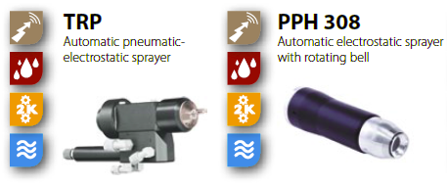
 |  | mini | MAXI
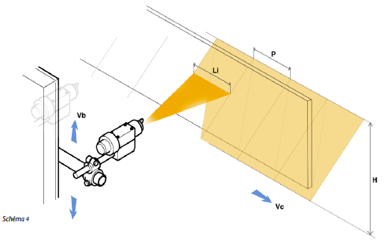
Vc = convoyer speed( m/mn) | 6 | 0.5 | 10
ST = Total Stroke of reciprocator (cm) | 60 | 50 | 300
Thn = Thickness required in Microns (µm) | 20 | 5 | 50
SC = SOLID CONTENT of the PAINT (%) in volume | 40 | 10 | 60
TF = Transfer efficiency of applicator (%) | 60 | 30 | 60
Nb = Number of atomizers | 2 | 1 | 4
PF = Paint Flow (cc/mn) | 150 | 50 | 500

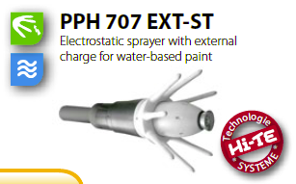
Pattern width Li (cm) | 40 | 15 | 40
Overlap 2 / 3 / 4 - (i.e. 50% / 66% / 75%) | 2 | 2 | 4
Trajectory length (cm) | 120
Trajectory time (min) - Up & Down | 0.033333333333
Pitch P (cm) | 20
Reciprocating speed Vb (m/min) | 36 | 0 | 60

